23
19071 - Shasta Coutny - Bike and Ped Counts
24/04/2019
Location: Markety St & Placer St |  |  |  |  |  | Similar to location 11, we're only interested in the bikes and peds entering and exiting the circled area

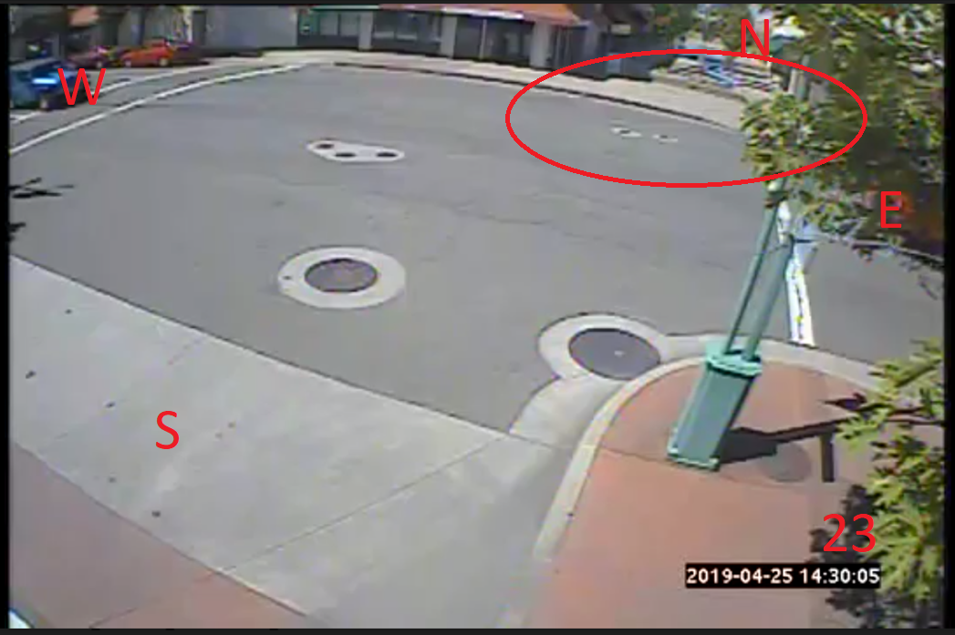
Peds |  |  | Bikes
Time | NB | SB | Time | NB | SB
6:30:00 | 1 | 0 | 6:30:00 | 0 | 1
6:45:00 | 0 | 3 | 6:45:00 | 0 | 1
7:00:00 | 1 | 0 | 7:00:00 | 0 | 0
7:15:00 | 0 | 0 | 7:15:00 | 1 | 1
7:30:00 | 0 | 0 | 7:30:00 | 3 | 0
7:45:00 | 3 | 1 | 7:45:00 | 0 | 0
8:00:00 | 0 | 3 | 8:00:00 | 0 | 0
8:15:00 | 3 | 0 | 8:15:00 | 0 | 0
8:30:00 | 3 | 0 | 8:30:00 | 1 | 0
8:45:00 | 5 | 3 | 8:45:00 | 0 | 0
9:00:00 | 2 | 6 | 9:00:00 | 1 | 2
9:15:00 | 3 | 2 | 9:15:00 | 0 | 1
9:30:00 | 6 | 2 | 9:30:00 | 0 | 0
9:45:00 | 6 | 7 | 9:45:00 | 0 | 0
10:00:00 | 7 | 3 | 10:00:00 | 0 | 0
10:15:00 | 8 | 9 | 10:15:00 | 1 | 2
10:30:00 | 10 | 5 | 10:30:00 | 1 | 0
10:45:00 | 5 | 5 | 10:45:00 | 0 | 0
11:00:00 | 1 | 6 | 11:00:00 | 1 | 0
11:15:00 | 10 | 6 | 11:15:00 | 2 | 0
11:30:00 | 10 | 2 | 11:30:00 | 0 | 0
11:45:00 | 8 | 2 | 11:45:00 | 2 | 1
12:00:00 | 2 | 10 | 12:00:00 | 0 | 0
12:15:00 | 6 | 7 | 12:15:00 | 0 | 0
12:30:00 | 8 | 8 | 12:30:00 | 0 | 0
12:45:00 | 8 | 4 | 12:45:00 | 0 | 0
13:00:00 | 7 | 0 | 13:00:00 | 0 | 0
13:15:00 | 3 | 8 | 13:15:00 | 0 | 1
13:30:00 | 3 | 2 | 13:30:00 | 0 | 0
13:45:00 | 5 | 7 | 13:45:00 | 0 | 0
14:00:00 | 9 | 4 | 14:00:00 | 1 | 0
14:15:00 | 5 | 5 | 14:15:00 | 0 | 0
14:30:00 | 6 | 8 | 14:30:00 | 1 | 0
14:45:00 | 3 | 1 | 14:45:00 | 4 | 0
15:00:00 | 15 | 4 | 15:00:00 | 1 | 1
15:15:00 | 14 | 9 | 15:15:00 | 1 | 2
15:30:00 | 14 | 3 | 15:30:00 | 0 | 0
15:45:00 | 7 | 6 | 15:45:00 | 1 | 0
16:00:00 | 2 | 9 | 16:00:00 | 0 | 0
16:15:00 | 4 | 14 | 16:15:00 | 0 | 0
16:30:00 | 0 | 0 | 16:30:00 | 0 | 0
16:45:00 | 6 | 8 | 16:45:00 | 0 | 0
17:00:00 | 1 | 1 | 17:00:00 | 0 | 0
17:15:00 | 1 | 3 | 17:15:00 | 0 | 0
17:30:00 | 5 | 2 | 17:30:00 | 0 | 0
17:45:00 | 0 | 2 | 17:45:00 | 0 | 0
18:00:00 | 6 | 0 | 18:00:00 | 0 | 0
18:15:00 | 3 | 5 | 18:15:00 | 0 | 0
Total | 235 | 195 | Total | 22 | 13

