T5-8 SGA_Parcels_2020_20Summary
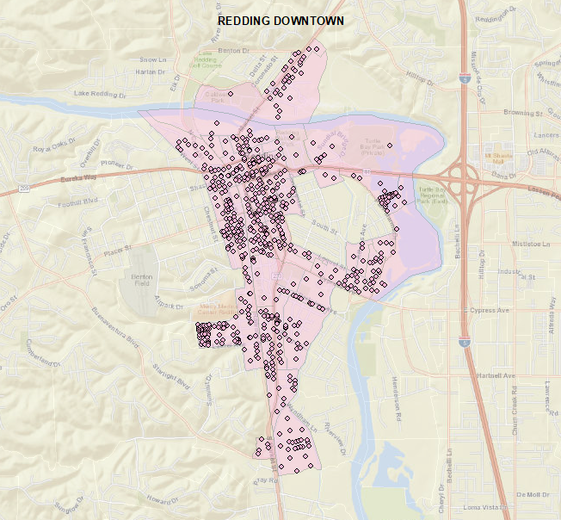
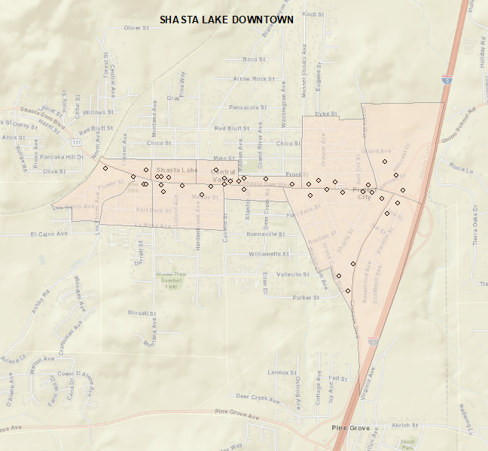
2020 No SGA | Parcels | POP | SFDU | MF2_4DU | MF5+DU | MHDU | TOT_DU | SFHH | MF2_4HH | MF5+HH | MHHH | TOT_HH | emptot_p | POP/HH
Redding Downtown | 610 | 1,344 | 240 | 65 | 237 | 52 | 594 | 220 | 58 | 225 | 49 | 552 | 7,750 | 2.43
Anderson | 45 | 145 | 13 | - | 59 | - | 73 | 13 | - | 53 | - | 66 | 849 | 2.20
Shasta Lake Downtown | 40 | 32 | 3 | 2 | 5 | - | 10 | 3 | 2 | 5 | - | 10 | 429 | 3.20
Cottonwood | 36 | 122 | 33 | - | 10 | 1 | 44 | 30 | - | 10 | 1 | 41 | 451 | 2.98
Burney | 54 | 81 | 45 | - | - | - | 45 | 36 | - | - | - | 36 | 681 | 2.25
Palo Cedro | 23 | 153 | 74 | - | - | - | 74 | 65 | - | - | - | 65 | 163 | 2.35
Fall River Mills McArth* | 33 | 56 | 21 | - | - | 3 | 24 | 18 | - | - | 3 | 21 | 514 | 2.67
2020 SGA | Parcels | POP | SFDU | MF2_4DU | MF5+DU | MHDU | TOT_DU | SFHH | MF2_4HH | MF5+HH | MHHH | TOT_HH | emptot_p | POP/HH
Redding Downtown | 610 | 1,472 | 246 | 81 | 267 | 52 | 646 | 217 | 70 | 249 | 48 | 584 | 7,917 | 2.52
Anderson | 45 | 213 | 13 | 7 | 79 | - | 99 | 13 | 5 | 71 | - | 89 | 865 | 2.39
Shasta Lake Downtown | 40 | 43 | 3 | 5 | 13 | - | 20 | 3 | 3 | 13 | - | 19 | 441 | 2.26
Cottonwood | 36 | 100 | 38 | 3 | 10 | 1 | 52 | 36 | 1 | 7 | 1 | 45 | 474 | 2.22
Burney | 54 | 98 | 46 | 3 | - | - | 49 | 39 | 2 | - | - | 41 | 704 | 2.39
Palo Cedro | 23 | 199 | 82 | - | - | - | 82 | 76 | - | - | - | 76 | 186 | 2.62
Fall River Mills McArth* | 33 | 50 | 22 | - | - | 3 | 25 | 19 | - | - | 3 | 22 | 537 | 2.27
Change | Parcels | POP | SFDU | MF2_4DU | MF5+DU | MHDU | TOT_DU | SFHH | MF2_4HH | MF5+HH | MHHH | TOT_HH | emptot_p | POP/HH
Redding Downtown | - | 128 | 6 | 16 | 30 | - | 52 | (3) | 12 | 24 | (1) | 32 | 167 | 0.09
Anderson | - | 68 | - | 7 | 20 | - | 26 | - | 5 | 18 | - | 23 | 16 | 0.20
Shasta Lake Downtown | - | 11 | - | 3 | 8 | - | 10 | - | 1 | 8 | - | 9 | 12 | (0.94)
Cottonwood | - | (22) | 5 | 3 | - | - | 7 | 6 | 1 | (3) | - | 4 | 23 | (0.75)
Burney | - | 17 | 2 | 3 | - | - | 4 | 3 | 2 | - | - | 5 | 23 | 0.14
Palo Cedro | - | 46 | 8 | - | - | - | 8 | 11 | - | - | - | 11 | 23 | 0.26
Fall River Mills McArth* | - | (6) | 2 | - | - | - | 2 | 1 | - | - | - | 1 | 23 | (0.39)

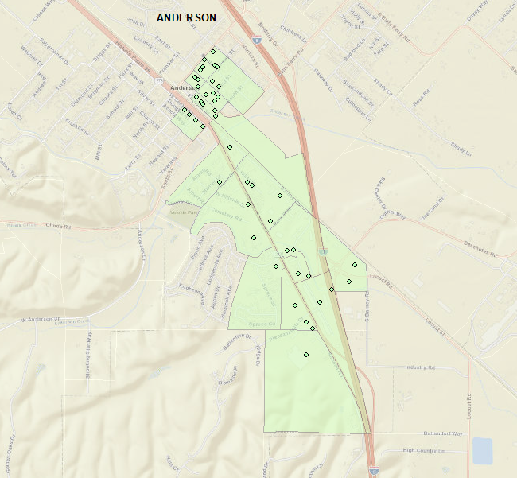
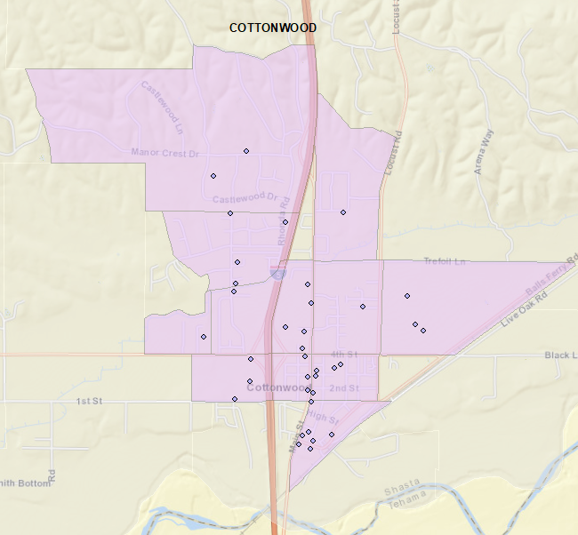
2035 No SGA | Parcels | POP | SFDU | MF2_4DU | MF5+DU | MHDU | TOT_DU | SFHH | MF2_4HH | MF5+HH | MHHH | TOT_HH | emptot_p | POP/HH
Redding Downtown | 610 | 1,309 | 233 | 65 | 234 | 52 | 583 | 213 | 59 | 220 | 48 | 540 | 8,827 | 2.42
Anderson | 45 | 157 | 9 | - | 56 | - | 65 | 8 | - | 51 | - | 59 | 946 | 2.66
Shasta Lake Downtown | 40 | 28 | 3 | 2 | 5 | - | 10 | 3 | 2 | 5 | - | 10 | 556 | 2.80
Cottonwood | 36 | 95 | 33 | - | 10 | 1 | 44 | 29 | - | 7 | 1 | 37 | 533 | 2.57
Burney | 54 | 92 | 43 | - | - | - | 43 | 32 | - | - | - | 32 | 788 | 2.88
Palo Cedro | 23 | 69 | 29 | - | - | - | 29 | 28 | - | - | - | 28 | 218 | 2.46
Fall River Mills McArth* | 33 | 37 | 17 | - | - | 3 | 20 | 13 | - | - | 2 | 15 | 688 | 2.47
2035 SGA | Parcels | POP | SFDU | MF2_4DU | MF5+DU | MHDU | TOT_DU | SFHH | MF2_4HH | MF5+HH | MHHH | TOT_HH | emptot_p | POP/HH
Redding Downtown | 610 | 1,708 | 250 | 117 | 338 | 52 | 756 | 229 | 100 | 311 | 48 | 688 | 9,458 | 2.48
Anderson | 45 | 350 | 9 | 20 | 116 | - | 146 | 9 | 19 | 109 | - | 137 | 1,050 | 2.55
Shasta Lake Downtown | 40 | 130 | 3 | 12 | 34 | - | 49 | 3 | 11 | 34 | - | 48 | 630 | 2.71
Cottonwood | 36 | 197 | 64 | 17 | 10 | 1 | 92 | 61 | 15 | 8 | 1 | 85 | 628 | 2.32
Burney | 54 | 116 | 53 | 17 | - | - | 70 | 36 | 15 | - | - | 51 | 883 | 2.27
Palo Cedro | 23 | 195 | 81 | - | - | - | 81 | 75 | - | - | - | 75 | 313 | 2.60
Fall River Mills McArth* | 33 | 47 | 27 | - | - | 3 | 30 | 19 | - | - | 2 | 21 | 783 | 2.24
Change | Parcels | POP | SFDU | MF2_4DU | MF5+DU | MHDU | TOT_DU | SFHH | MF2_4HH | MF5+HH | MHHH | TOT_HH | emptot_p | POP/HH
Redding Downtown | - | 399 | 17 | 52 | 104 | - | 173 | 16 | 41 | 91 | - | 148 | 631 | 0.06
Anderson | - | 193 | - | 20 | 61 | - | 81 | 1 | 19 | 58 | - | 78 | 104 | (0.11)
Shasta Lake Downtown | - | 102 | - | 10 | 29 | - | 39 | - | 9 | 29 | - | 38 | 74 | (0.09)
Cottonwood | - | 102 | 31 | 17 | - | - | 49 | 32 | 15 | 1 | - | 48 | 95 | (0.25)
Burney | - | 24 | 10 | 17 | - | - | 28 | 4 | 15 | - | - | 19 | 95 | (0.60)
Palo Cedro | - | 126 | 52 | - | - | - | 52 | 47 | - | - | - | 47 | 95 | 0.14
Fall River Mills McArth* | - | 10 | 10 | - | - | - | 10 | 6 | - | - | - | 6 | 95 | (0.23)

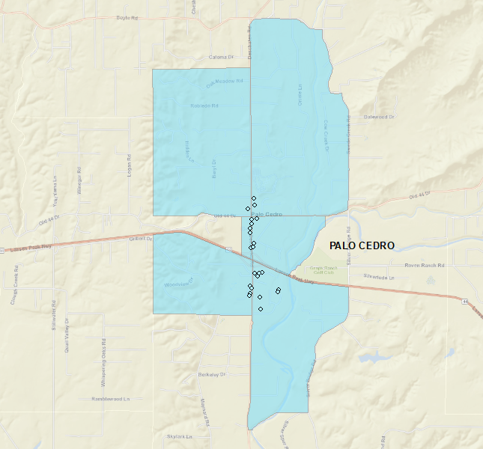
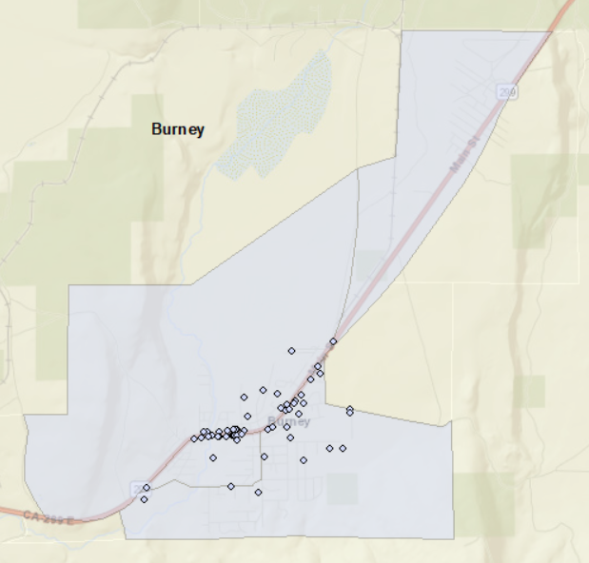
2040 No SGA | Parcels | POP | SFDU | MF2_4DU | MF5+DU | MHDU | TOT_DU | SFHH | MF2_4HH | MF5+HH | MHHH | TOT_HH | emptot_p | POP/HH
Redding Downtown | 610 | 1,274 | 231 | 65 | 231 | 52 | 579 | 194 | 59 | 219 | 48 | 520 | 8,942 | 2.45
Anderson | 45 | 142 | 9 | - | 56 | - | 65 | 9 | - | 49 | - | 58 | 956 | 2.45
Shasta Lake Downtown | 40 | 28 | 3 | 2 | 5 | - | 10 | 3 | 2 | 5 | - | 10 | 566 | 2.80
Cottonwood | 36 | 117 | 33 | - | 10 | 1 | 44 | 33 | - | 9 | 1 | 43 | 553 | 2.72
Burney | 54 | 89 | 41 | - | - | - | 41 | 35 | - | - | - | 35 | 788 | 2.54
Palo Cedro | 23 | 61 | 26 | - | - | - | 26 | 26 | - | - | - | 26 | 228 | 2.35
Fall River Mills McArth* | 33 | 33 | 15 | - | - | 3 | 18 | 12 | - | - | 2 | 14 | 723 | 2.36
2040 SGA | Parcels | POP | SFDU | MF2_4DU | MF5+DU | MHDU | TOT_DU | SFHH | MF2_4HH | MF5+HH | MHHH | TOT_HH | emptot_p | POP/HH
Redding Downtown | 610 | 1,628 | 249 | 119 | 342 | 52 | 761 | 229 | 104 | 315 | 47 | 695 | 9,673 | 2.34
Anderson | 45 | 342 | 9 | 21 | 117 | - | 147 | 8 | 18 | 105 | - | 131 | 1,111 | 2.61
Shasta Lake Downtown | 40 | 117 | 3 | 12 | 35 | - | 51 | 3 | 10 | 31 | - | 44 | 641 | 2.66
Cottonwood | 36 | 208 | 68 | 19 | 10 | 1 | 98 | 61 | 18 | 8 | 1 | 88 | 662 | 2.36
Burney | 54 | 148 | 52 | 19 | - | - | 71 | 45 | 15 | - | - | 60 | 897 | 2.47
Palo Cedro | 23 | 196 | 83 | - | - | - | 83 | 78 | - | - | - | 78 | 337 | 2.51
Fall River Mills McArth* | 33 | 62 | 27 | - | - | 3 | 30 | 23 | - | - | 2 | 25 | 832 | 2.48
Change | Parcels | POP | SFDU | MF2_4DU | MF5+DU | MHDU | TOT_DU | SFHH | MF2_4HH | MF5+HH | MHHH | TOT_HH | emptot_p | POP/HH
Redding Downtown | - | 354 | 18 | 54 | 110 | - | 182 | 35 | 45 | 96 | (1) | 175 | 731 | (0.11)
Anderson | - | 200 | - | 21 | 62 | - | 82 | (1) | 18 | 56 | - | 73 | 155 | 0.16
Shasta Lake Downtown | - | 89 | - | 10 | 30 | - | 41 | - | 8 | 26 | - | 34 | 75 | (0.14)
Cottonwood | - | 91 | 34 | 19 | - | - | 53 | 28 | 18 | (1) | - | 45 | 109 | (0.36)
Burney | - | 59 | 11 | 19 | - | - | 30 | 10 | 15 | - | - | 25 | 109 | (0.08)
Palo Cedro | - | 135 | 57 | - | - | - | 57 | 52 | - | - | - | 52 | 109 | 0.17
Fall River Mills McArth* | - | 29 | 11 | - | - | - | 11 | 11 | - | - | - | 11 | 109 | 0.12

